A. Organization Chart
A: Organizational Chart | end of line

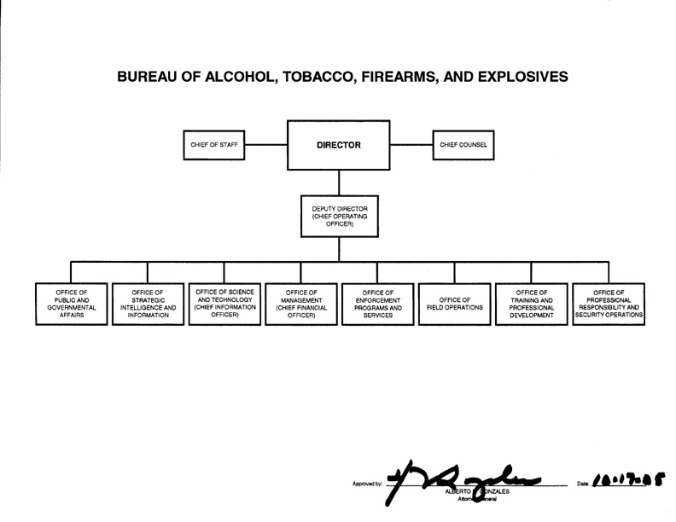

 | end of sheet

